WM3
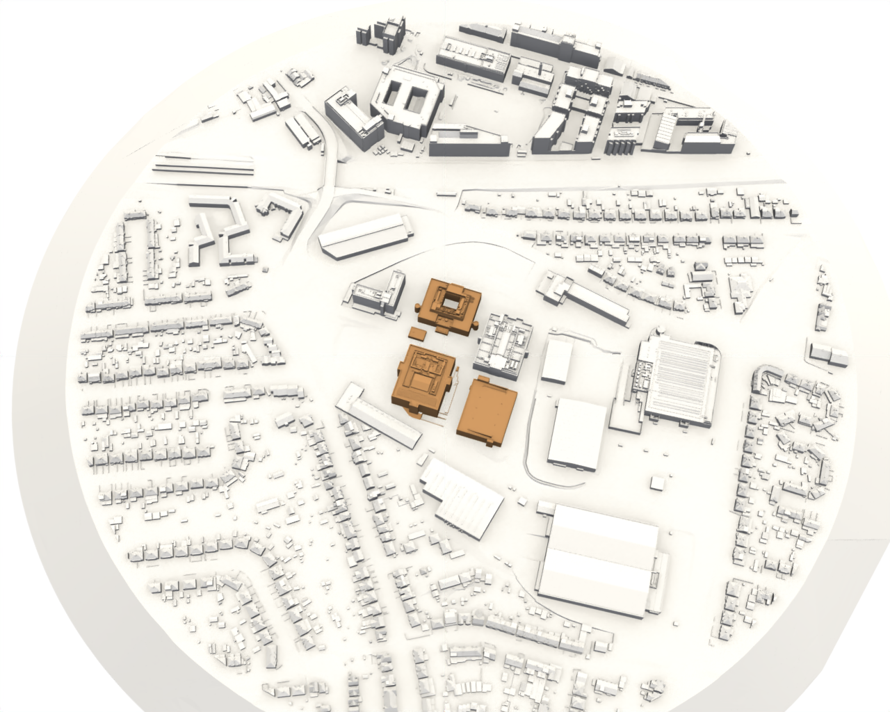

WM4
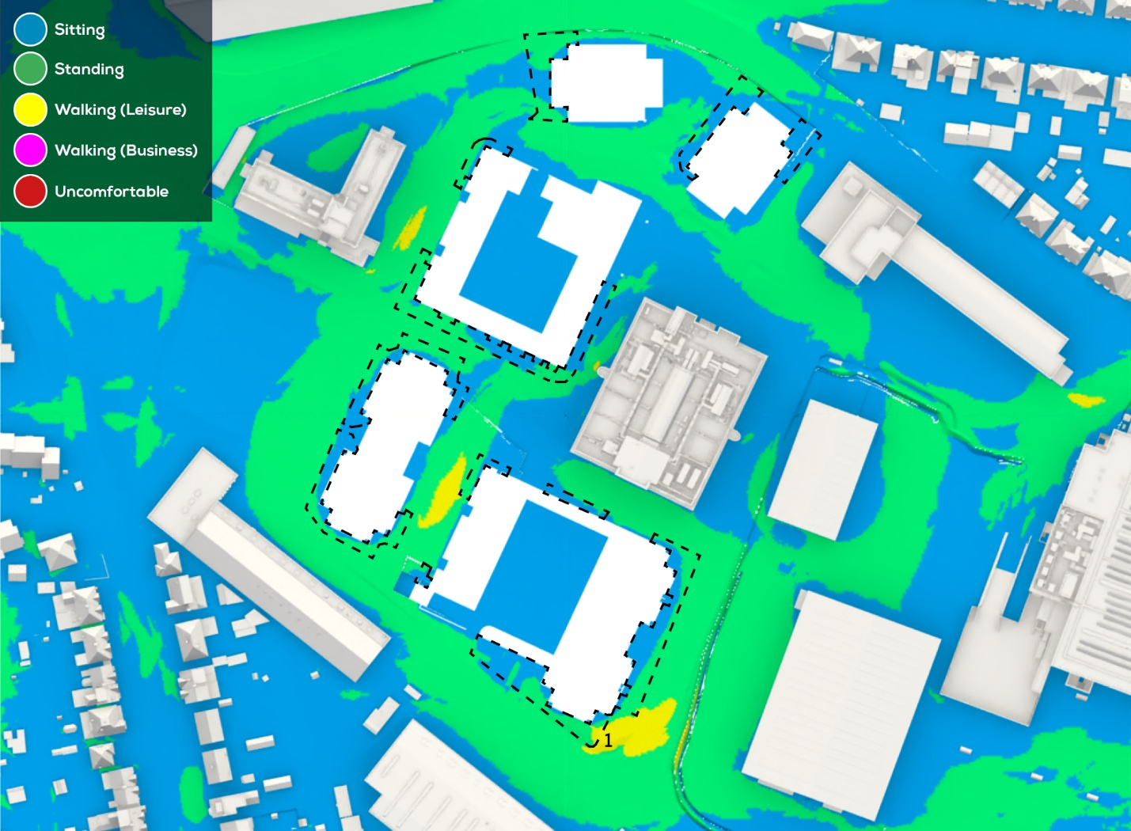
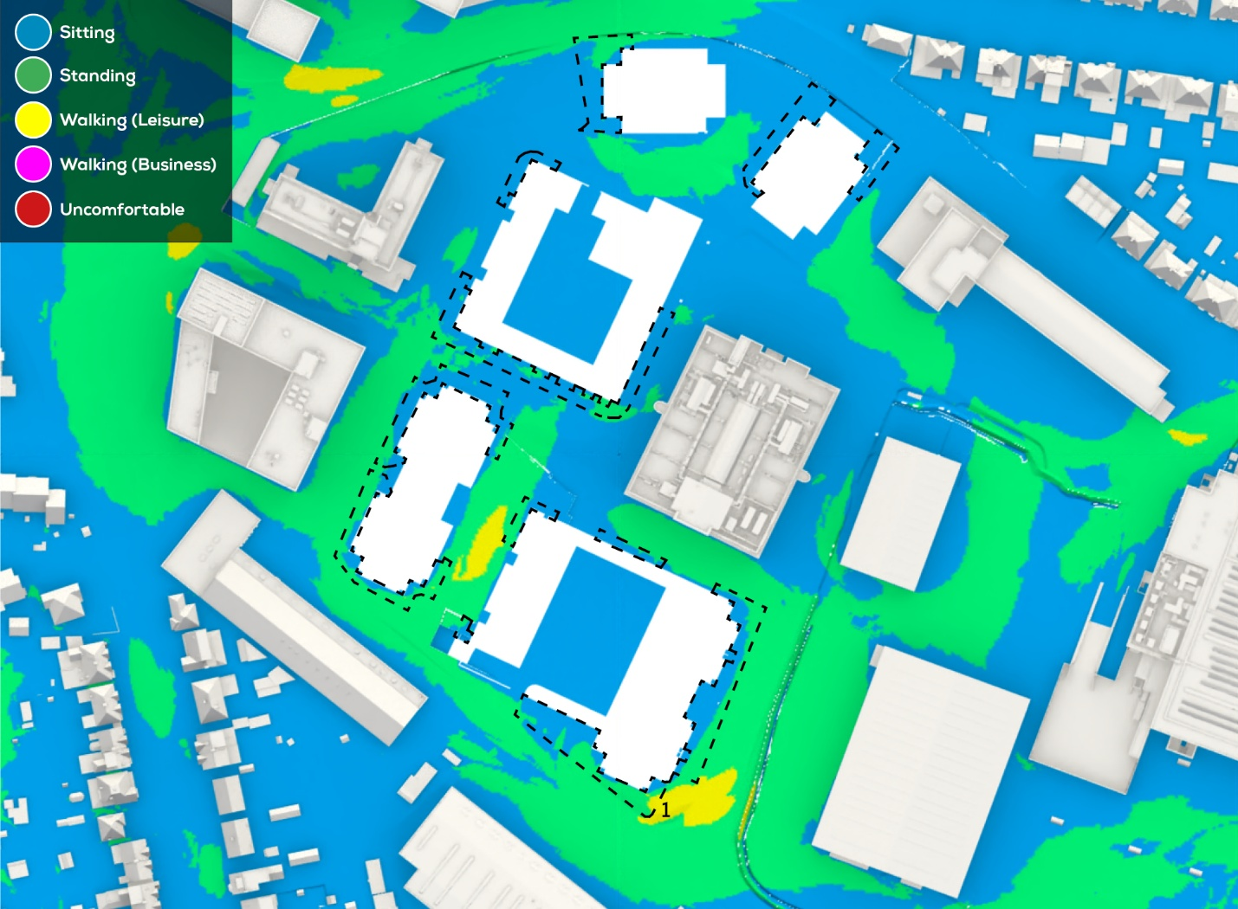
Proposed in Existing - Summer Conditions | Proposed in Cumulative - Summer Conditions

WM6
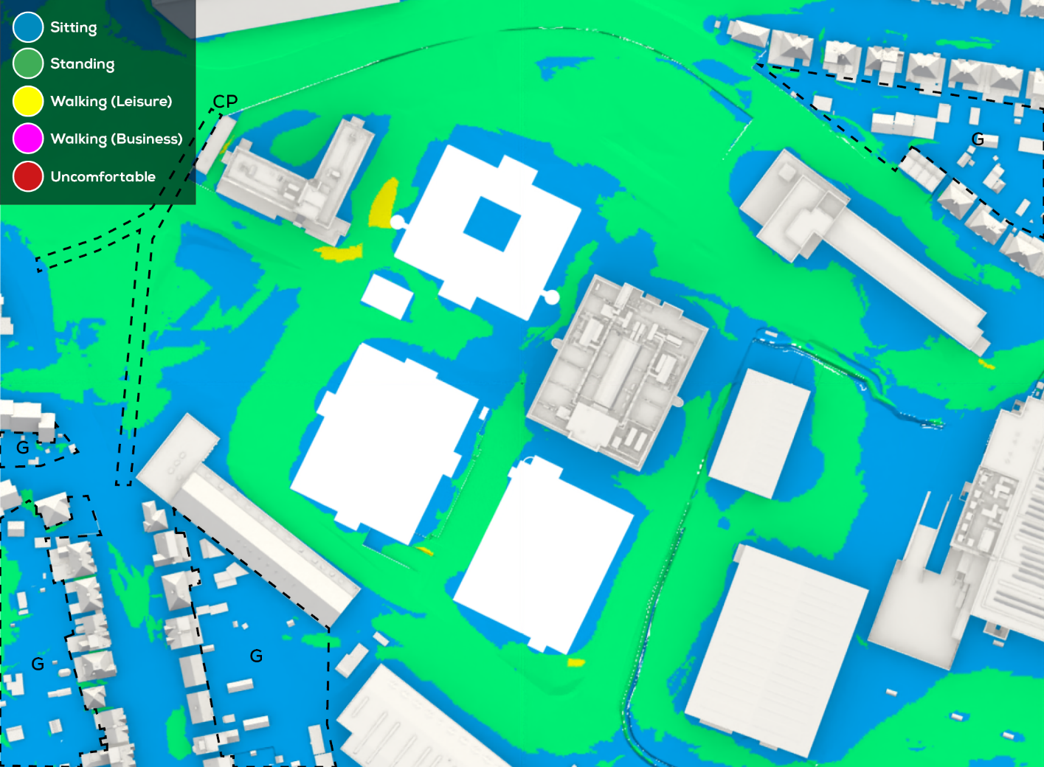
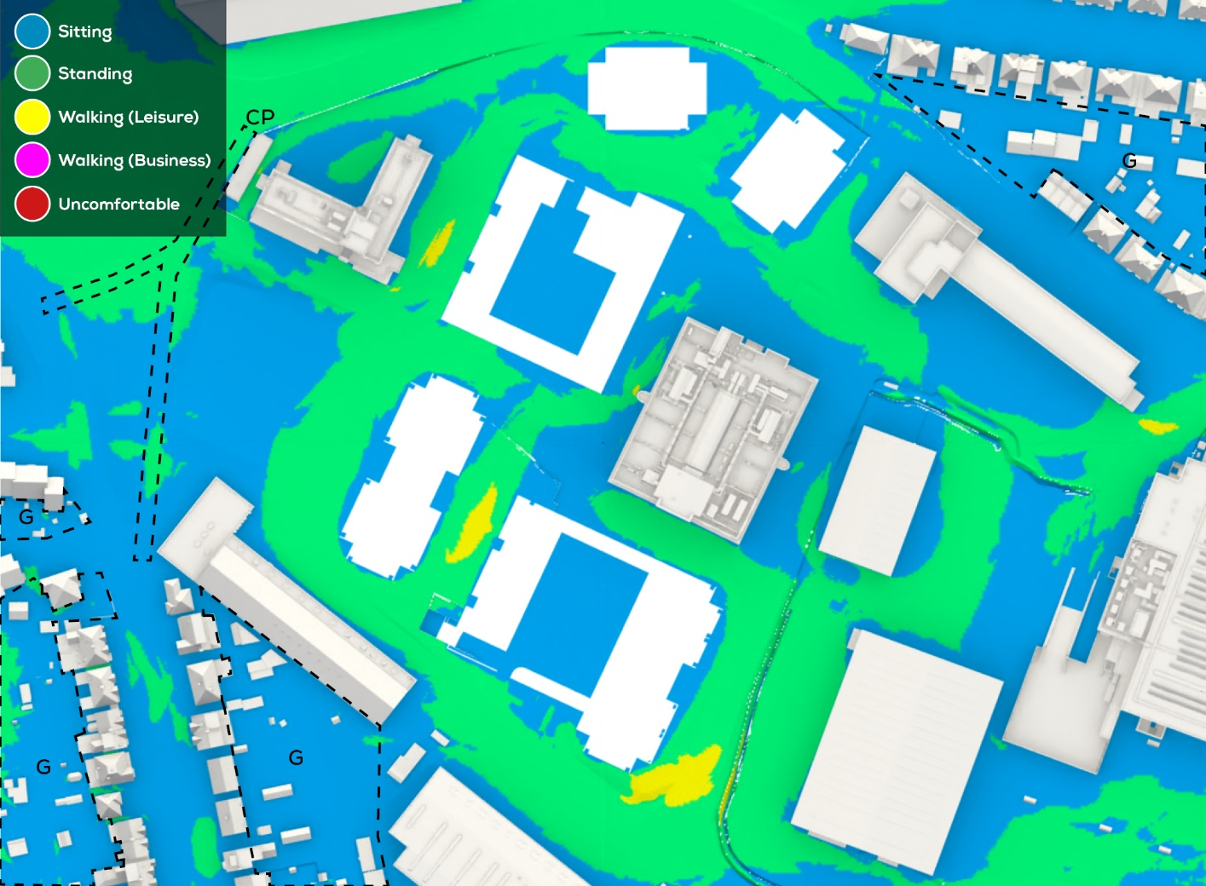
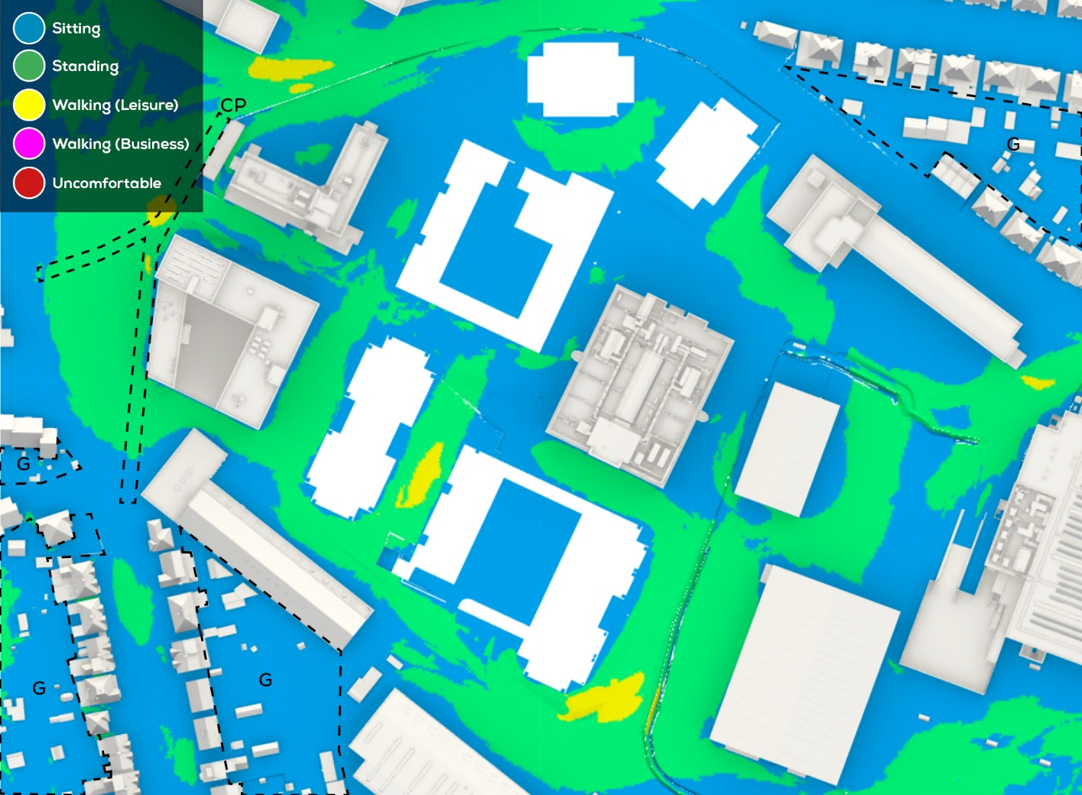
Baseline - Winter Conditions | Proposed in Existing - Winter Conditions | Proposed in Cumulative - Winter Conditions
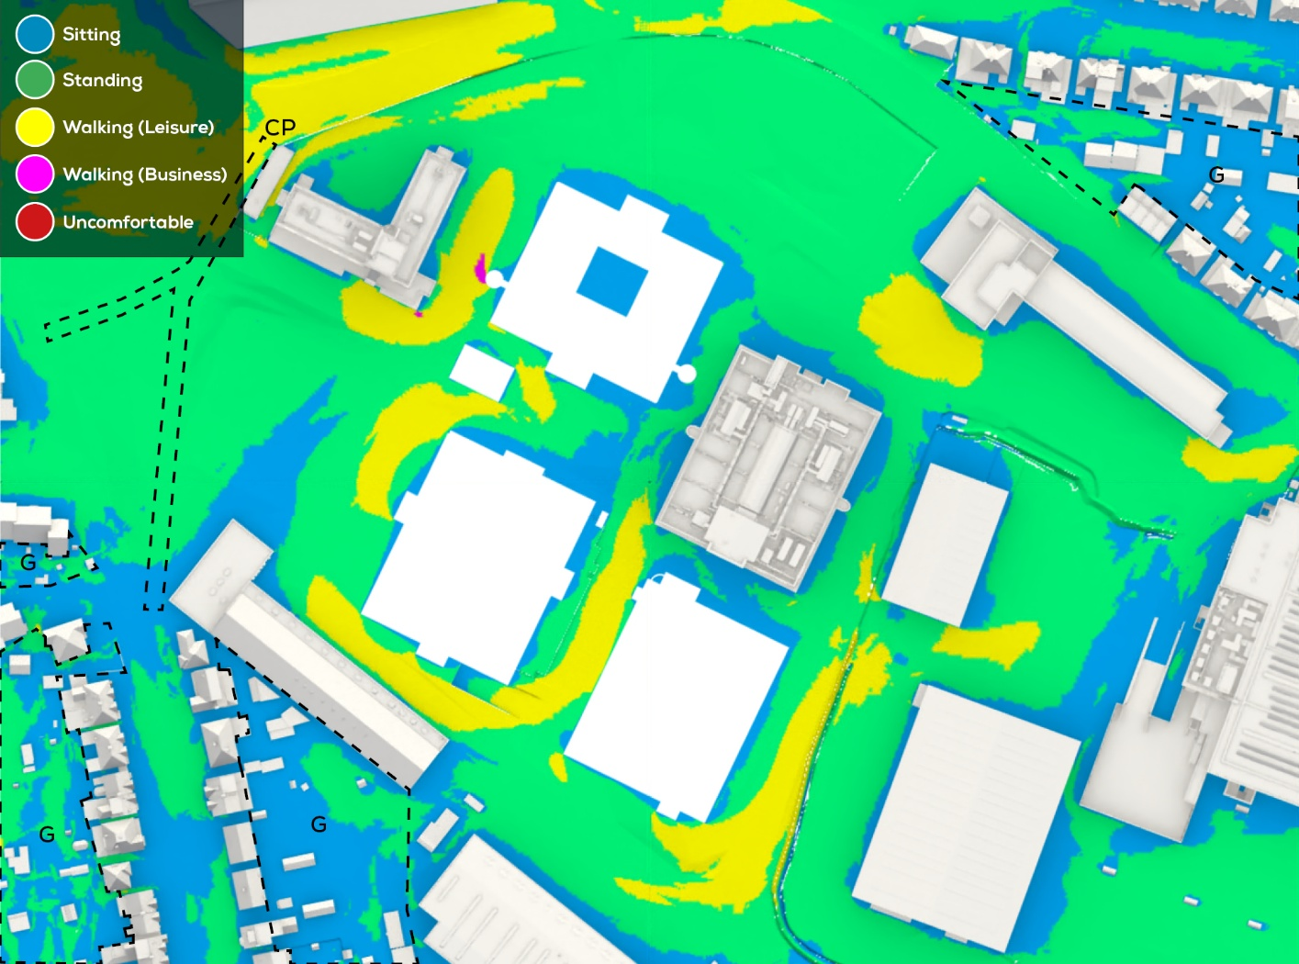
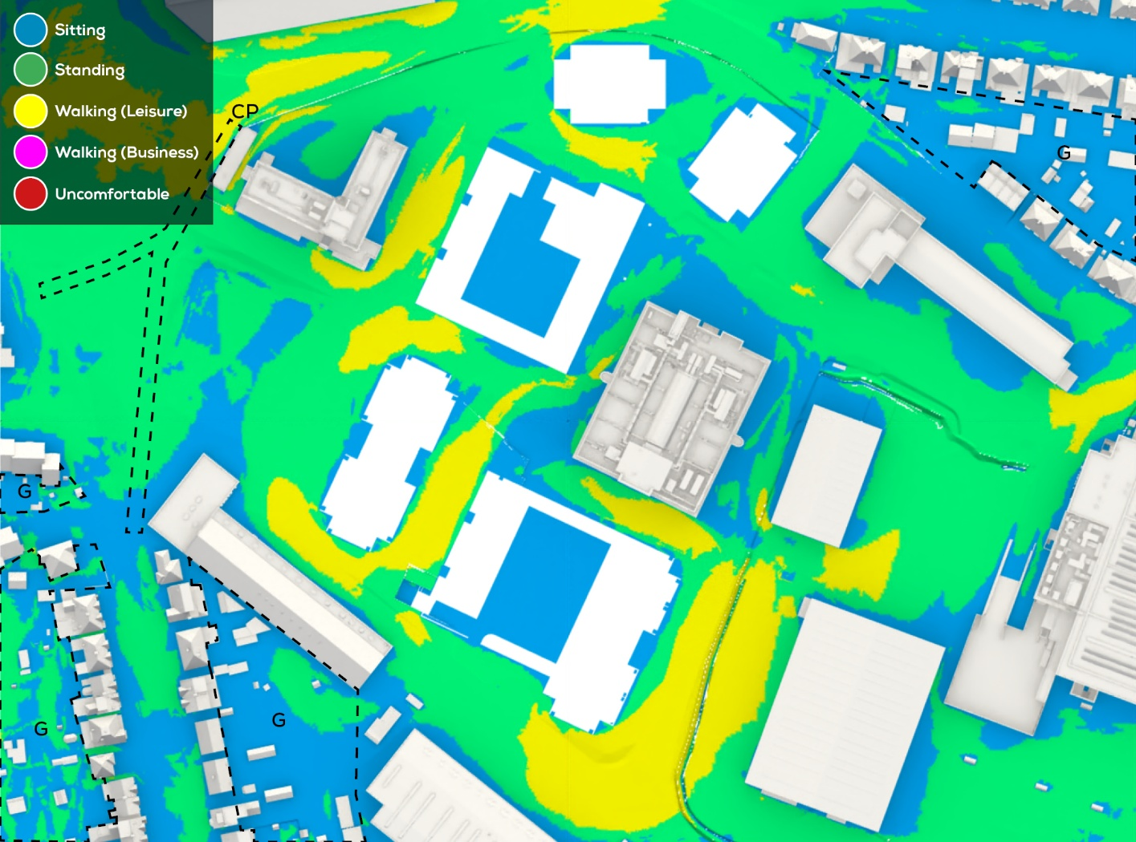
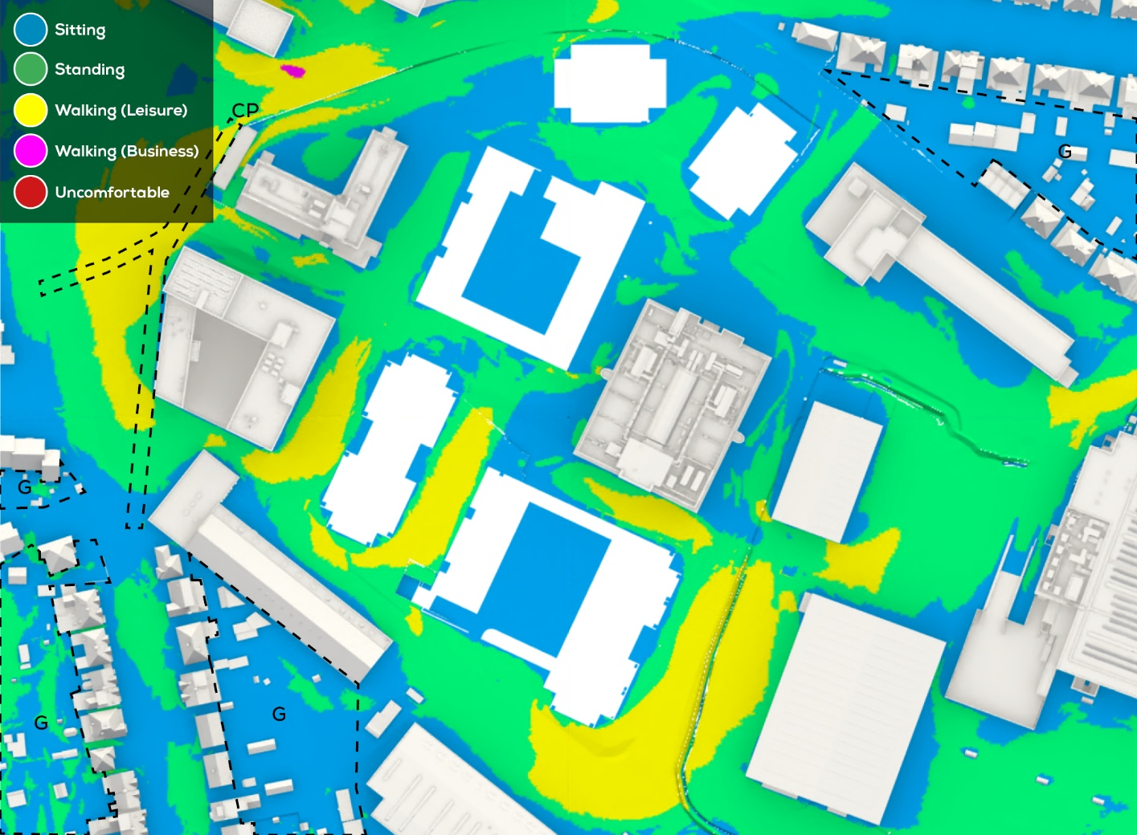

Baseline - Summer Conditions | Proposed in Existing - Summer Conditions | Proposed in Cumulative - Summer Conditions

WM8
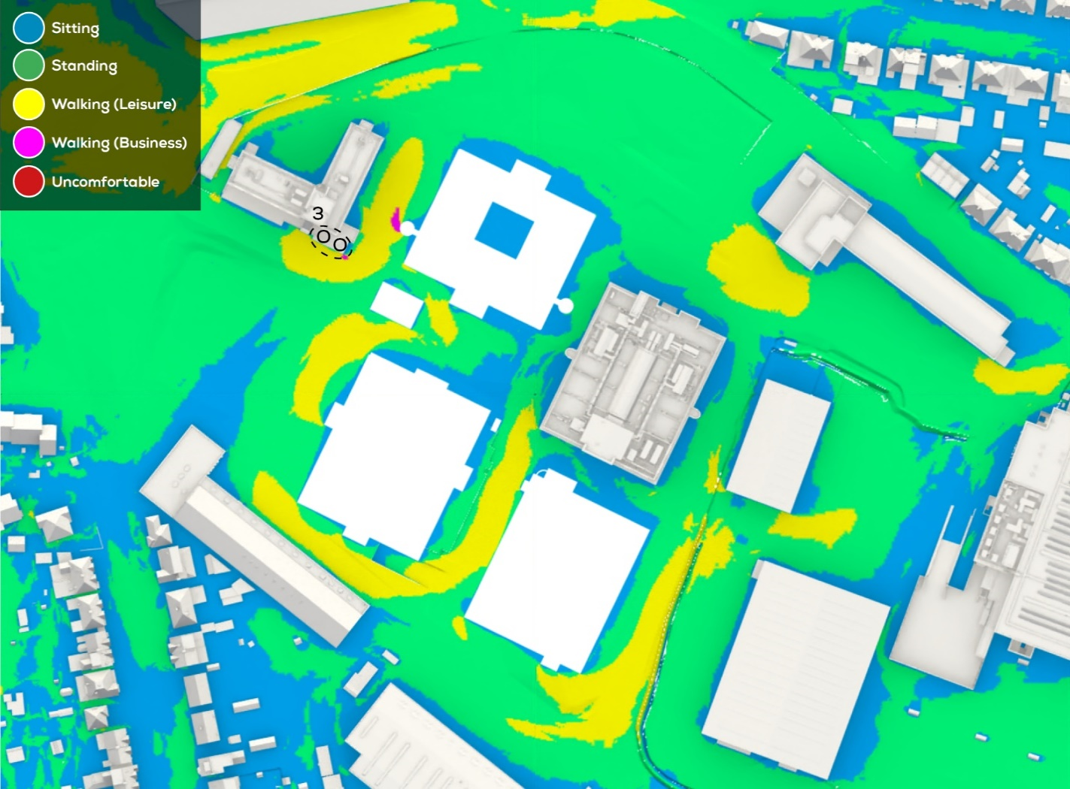
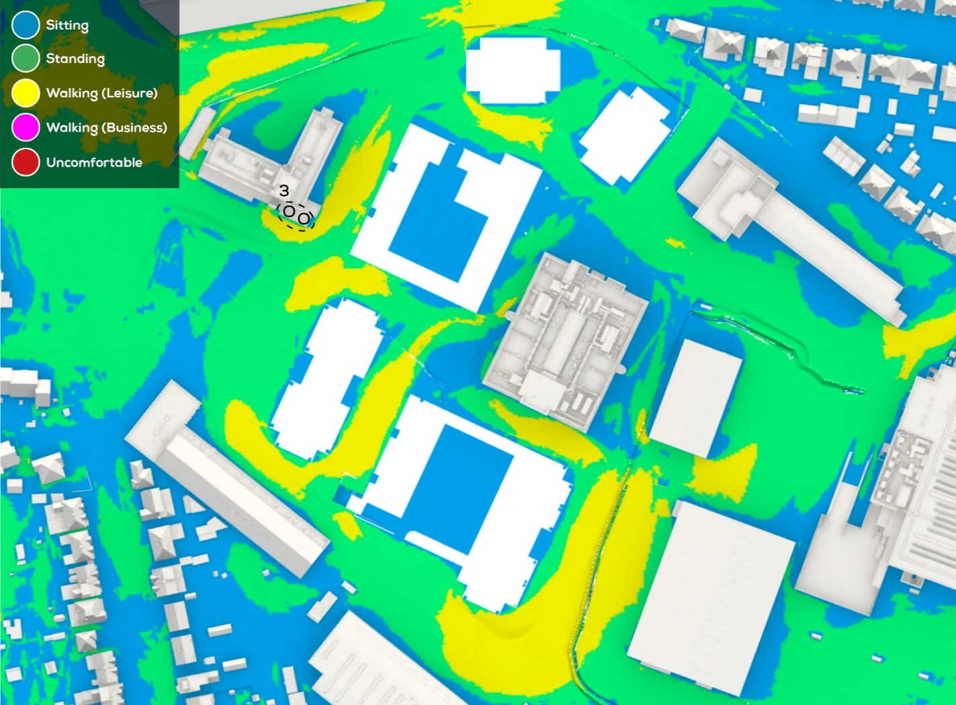

Baseline - Winter Conditions | Proposed in Existing - Winter Conditions | Proposed in Cumulative - Winter Conditions

WM11
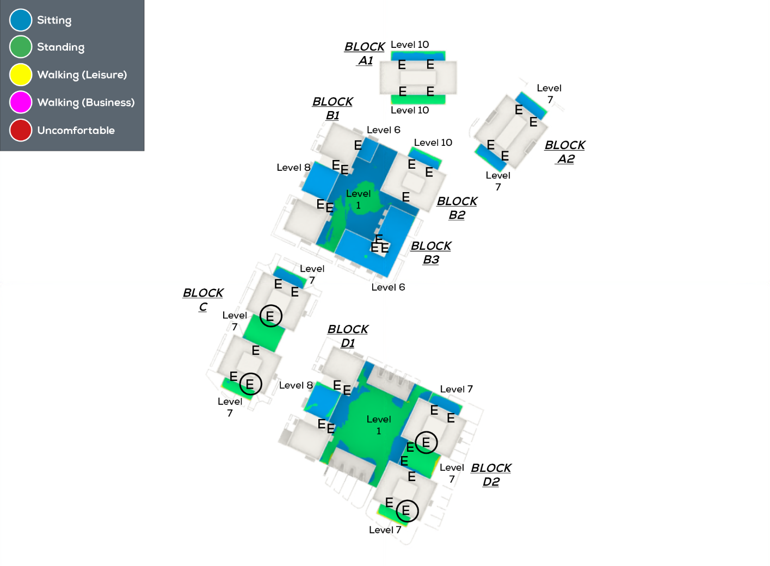

Proposed in Existing - Winter Conditions | Proposed in Cumulative - Winter Conditions
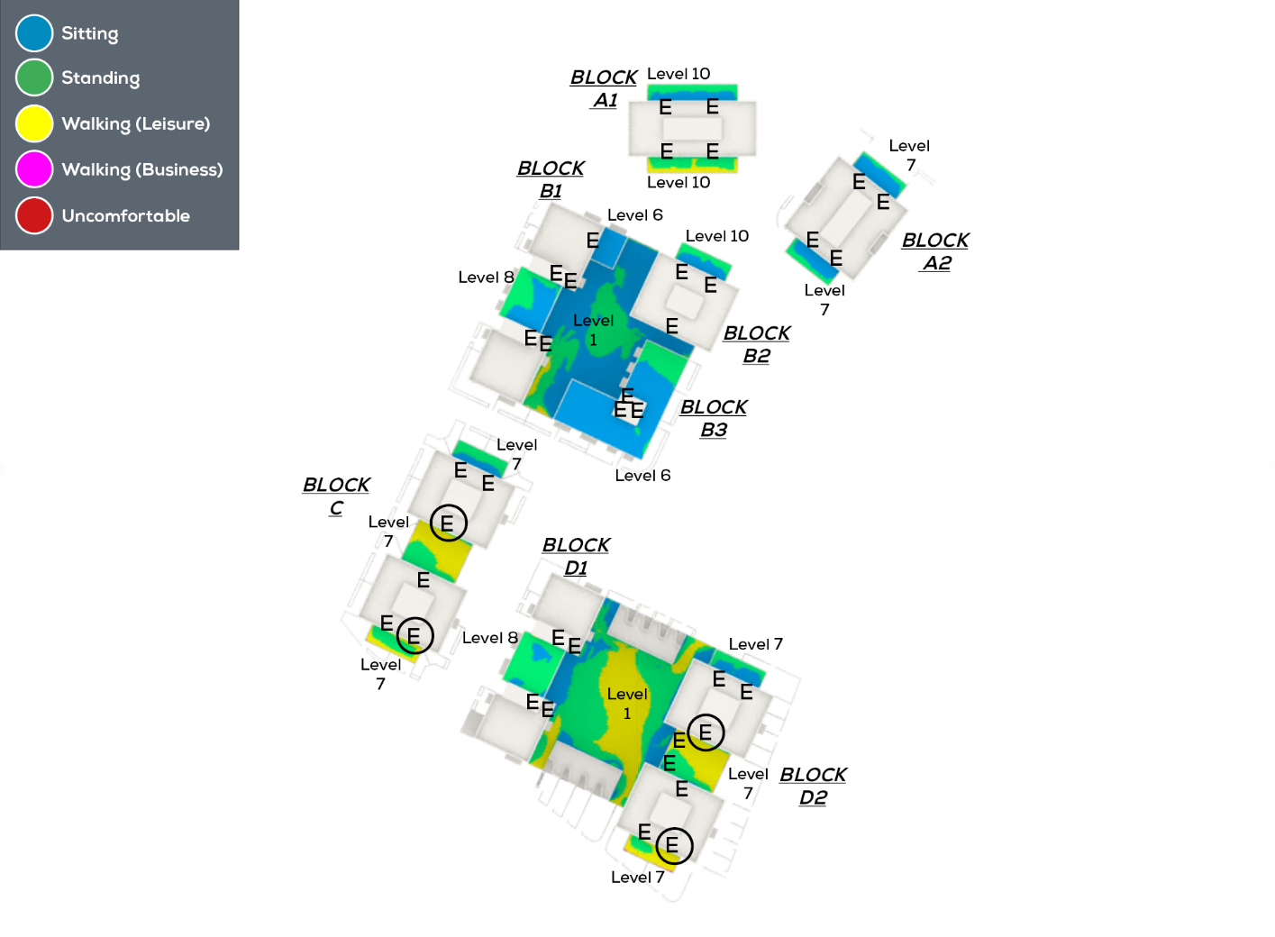


Proposed in Existing - Summer Conditions | Proposed in Cumulative - Summer Conditions

WM13
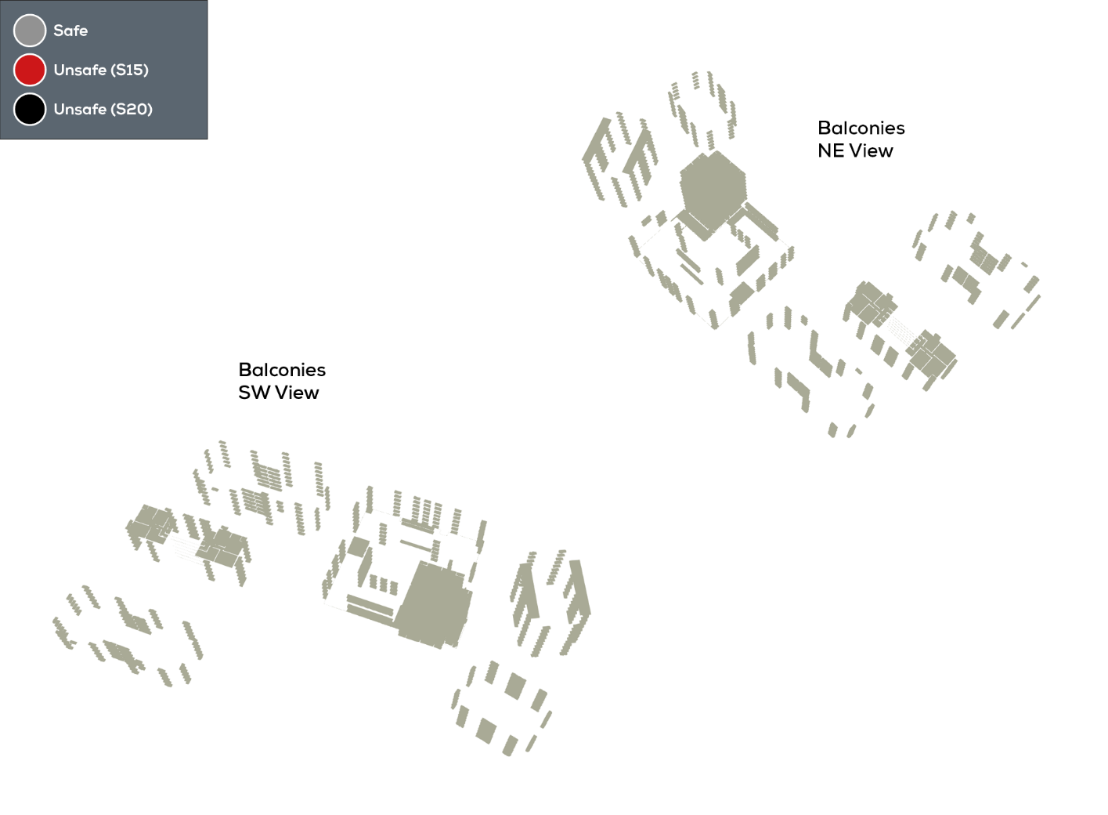
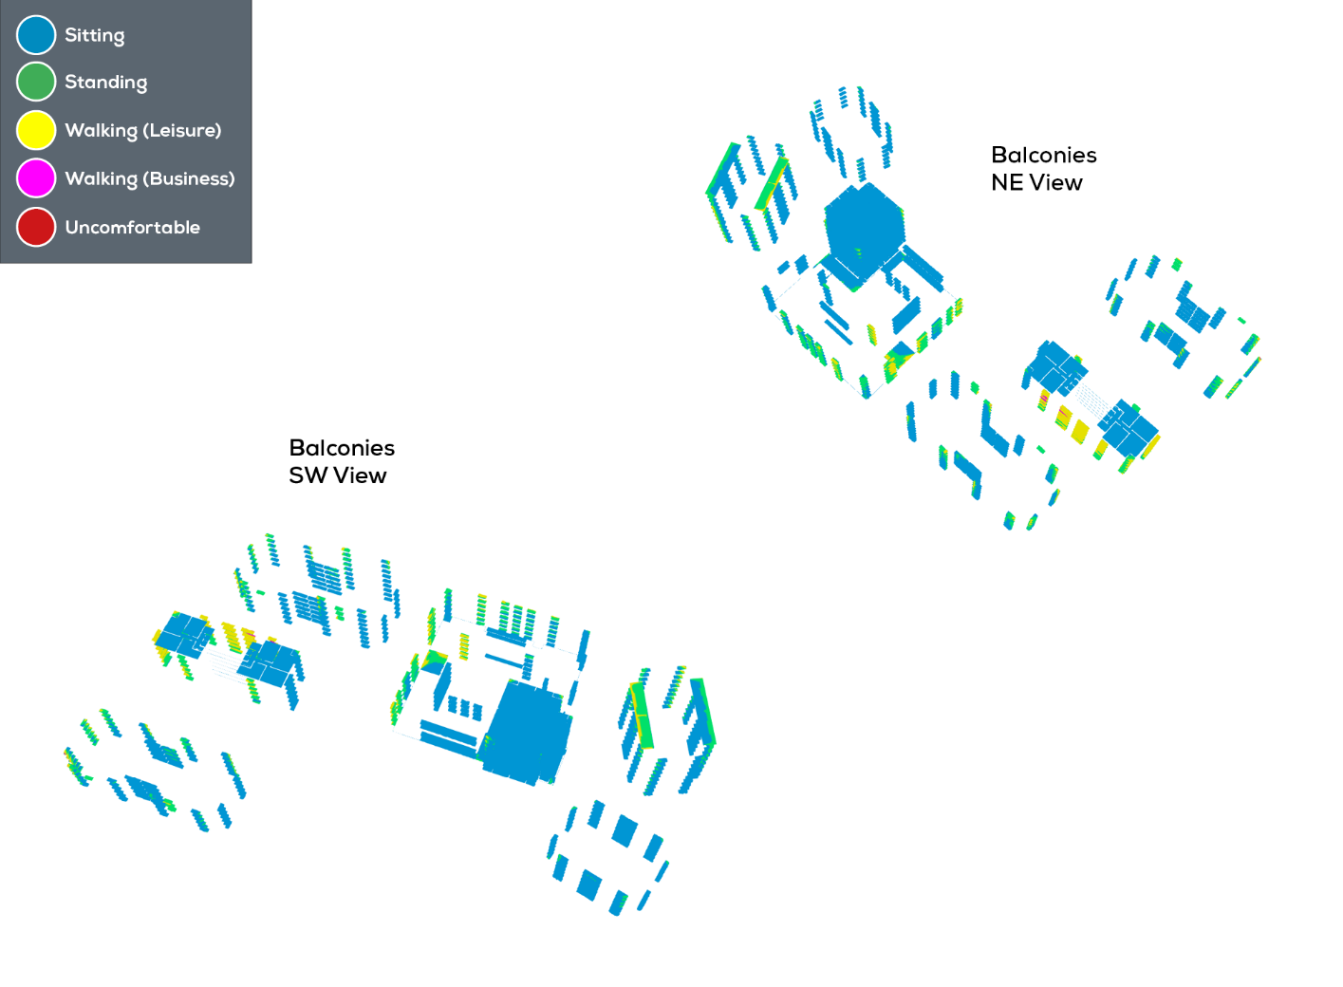
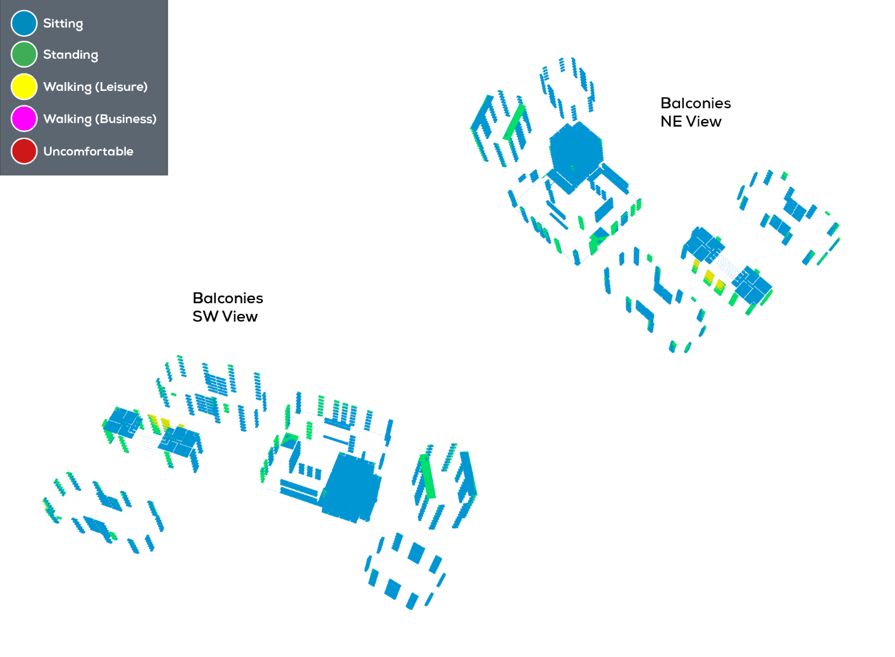
Proposed in Existing - Safety | Proposed in Existing - Winter Conditions | Proposed in Existing - Summer Conditions




Proposed in Cumulative - Safety | Proposed in Cumulative - Winter Conditions | Proposed in Cumulative - Summer Conditions

WM14
