Monitoring requirements
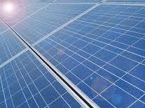
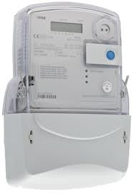
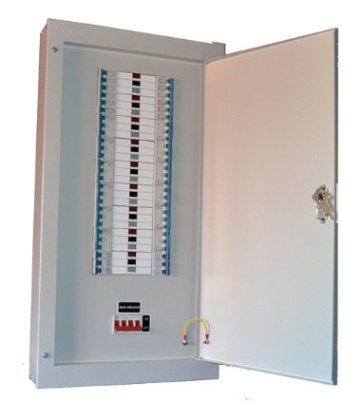
PV monitoring
14.37 kWh
Key monitoring requirements
PV, heat pumps, and CHP must be monitoring using MID certified meters.
The kWh data must be automatically transmitted to the AEMP every day.
The Council and the GLA require the renewable/CHP to be monitored for a full five years from the point that the building is occupied and the systems are fully opperational. Particular attantion to this is needed with phased developments.

The energy planning policy is assessed in terms of CO2 reduction. Therefore, the parasitic electric load for heat pumps needs to be monitored as well as the energy generation. The parasitic kWh load is deducted from the kWh generation to determine the kWh and CO2 reduction.

Energence will offer general advice on the monitoring of renewable/low-carbon (or other) systems, however, they accept no liability for technical installation decisions made by the developer or their associates.
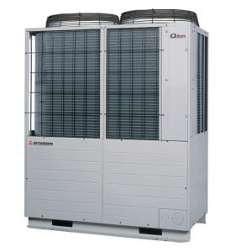
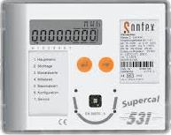
MID certified heat meter (eg. Sontex 440) with kWh integrator (M-Bus comms)
Heat pump monitoring
Single collector
Heat pump parasitic load
Smart meter (usually 3-phase)
(either Direct Connect or with CT clamps)
Elvaco (M-Bus) GPRS logger
Switchless electric supplies
Flow temp sensor
Return temp sensor
Flow rate sensor
M-Bus data lead

Platform + officer support
Equipment + Data
General guidance

All parasitic loads must be monitored – either individually or through a single supply meter

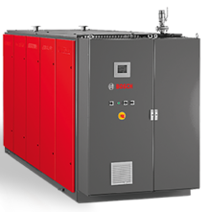
Heat meter integrator unit
CHP monitoring
CHP electric generation CT clamp 3-phase meter
Switchless electric supply
Elvaco (M-Bus) GPRS logger
L1
L3
L2
Gas meter (with M-Bus converter unit)
Smaller CHPs may be able to use a Direct Connect meter

District Heat Network (DHN) monitoring
Heat (and heat pump parasitic load) meter data upload via GPRS data-logger
Dwelling heat meter (6)
(post dwelling HIUs)
Heat meter (4)
Post block plate exchanger
(if not HIU direct feed)
Heat meter (5)
Post block gas boiler (if installed)
Block 3
Block 2
Block 4
Block 1
Heat meter (3)
Main network loop
Heat meter (1)
ASHP(s)
Main energy centre
M-Bus 1
M-Bus 2
M-Bus 3
Heat meter (2)
Main gas boiler(s)

Data acquisition & processing
 | Back to general guidance | Automated alerts
 | SIM cards and data acquisition | For the Council and GLA to confirm that the renewable/CHP systems are operating correctly, alert emails are automatically triggered if the systems stop sending data or if the performance drops noticeably.
 | Smart meter should use roaming SIM cards on the 2/3G network
 | kWh data must be uploaded to the Automated Energy Monitoring Platform (AEMP) every 24 hours via an ftp protocol.
 |  | The alerts are configured to trigger if there has been no data, or a performance fall, for a set level for a certain number of days.
 | Plug-and-play smart meters supplied by Energence are pre-loaded with SIM cards already configured to the AEMP.
 |  | The alerts are sent to Council officers and also to the Developer's consultants and/or maintenance company. Additional alert reciepients can be added. If an alert is triggered then Ealing may then inform the Developer that they not in compliance with the energy planning policy.
For performance/efficiency analysis large PV arrays, heat pumps, and CHP require half-hourly kWh data granularity.

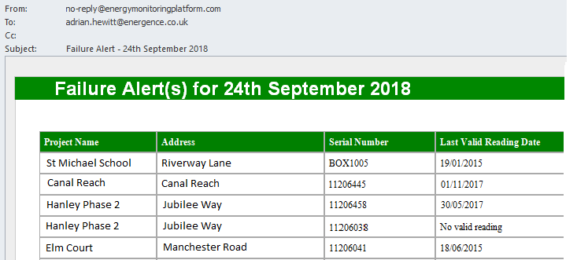
Data processing
The kWh data is processed by the AEMP in the form of CSV files. CSV files look like Excel spreadsheets.

If the developer is using their own smart meters and data processing then the CSV data files must be configured to the AEMP. If Energence has to configure the AEMP database to process the CSV files then it is likely they will charge the developer a fee for this.

"Cloud" alternative data management option
Rather than developers automatically sending the CSV files to Energence it should be possible for them to deposit the data each night in a web-cloud (eg. Google or Amazon). Ealing/Energence should be able to automatically pull down the data from the "cloud".

 |  | The (Automated) Energy Monitoring Platform holds the renewable/low-carbon energy equipment kWh and performance data in a database. This data can be downloaded, analysed and projected in a range of graphs.

 |  | CALC. Platform & officer support
 |  | CALC. Equipment + Data
 |  | EMP Dashboard

EMP Dashboard
Key Energy Monitoring Platform dashboard displays | Back to general guidance
Multiple properties developments are grouped together into Master projects. | Platform + officer support
Click on a row to select a specific sub-site (individual property PV etc). | Equipment + Data
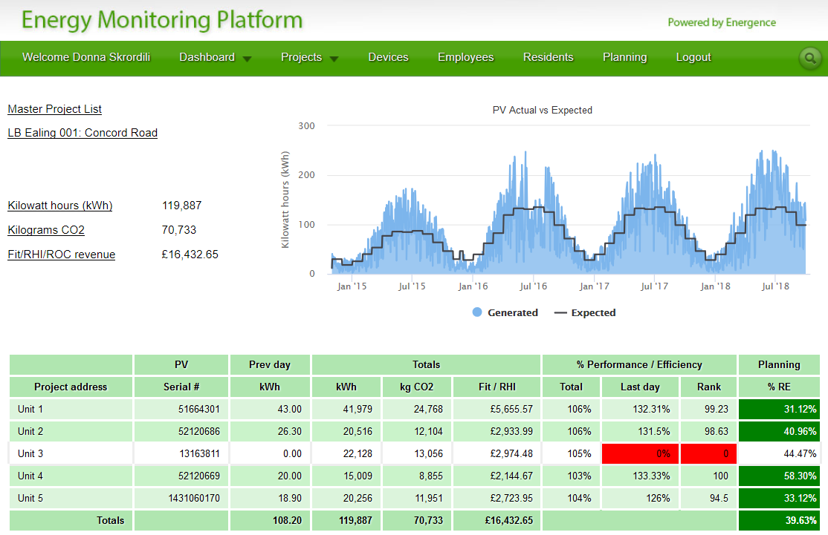

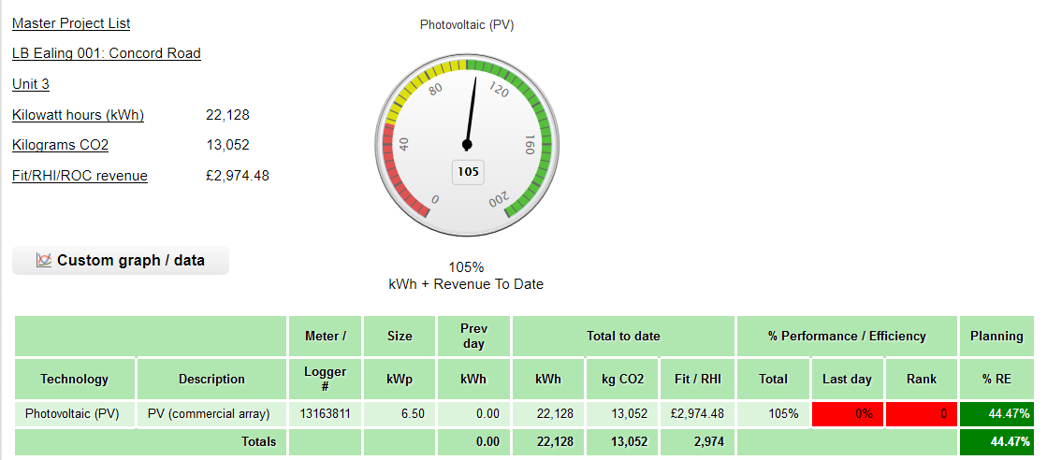

 | Select technology for graphs and data analysis

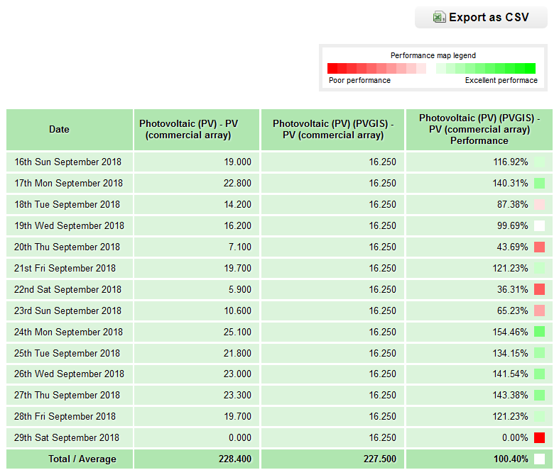
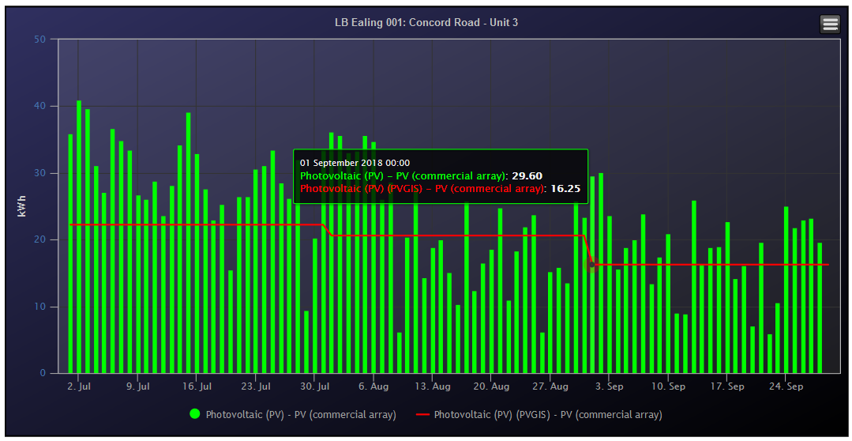

 | Performance data for analysis and fault finding

