Photos of Site
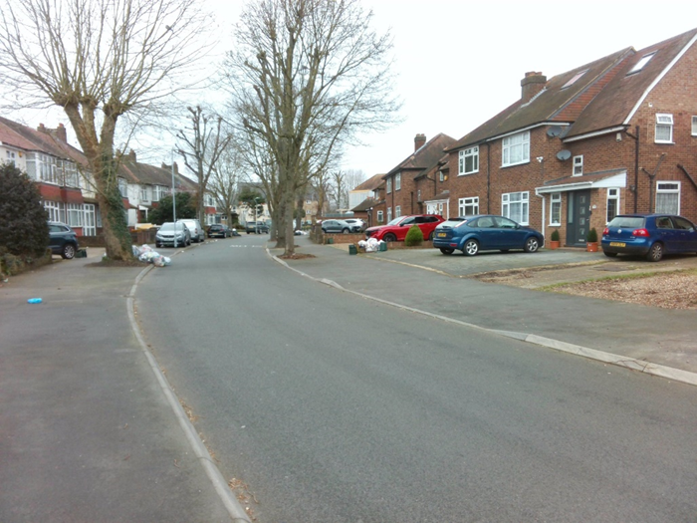
Site Photos
142 Church Road, Hayes, UB3 2LW
Church Green | Church Road (Centre)
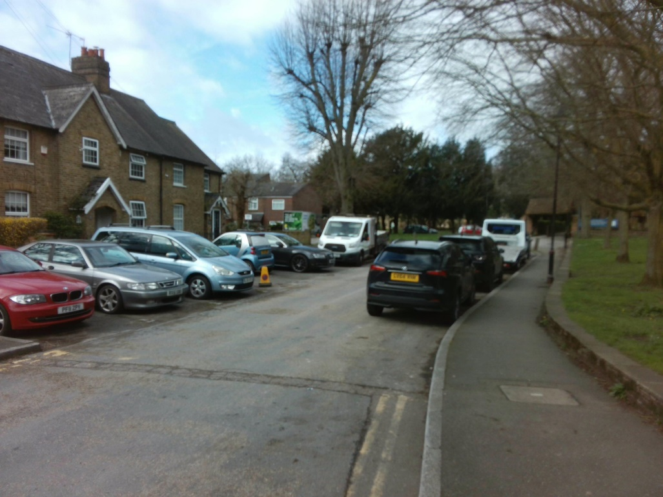 | 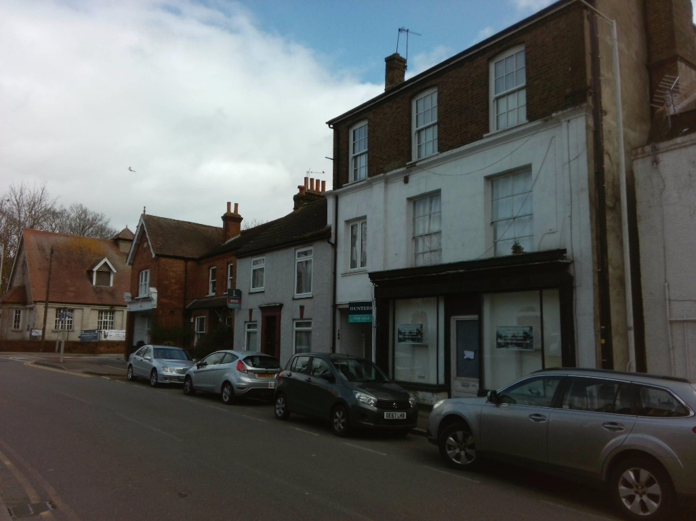
Church Road (North) | Church Road (South)
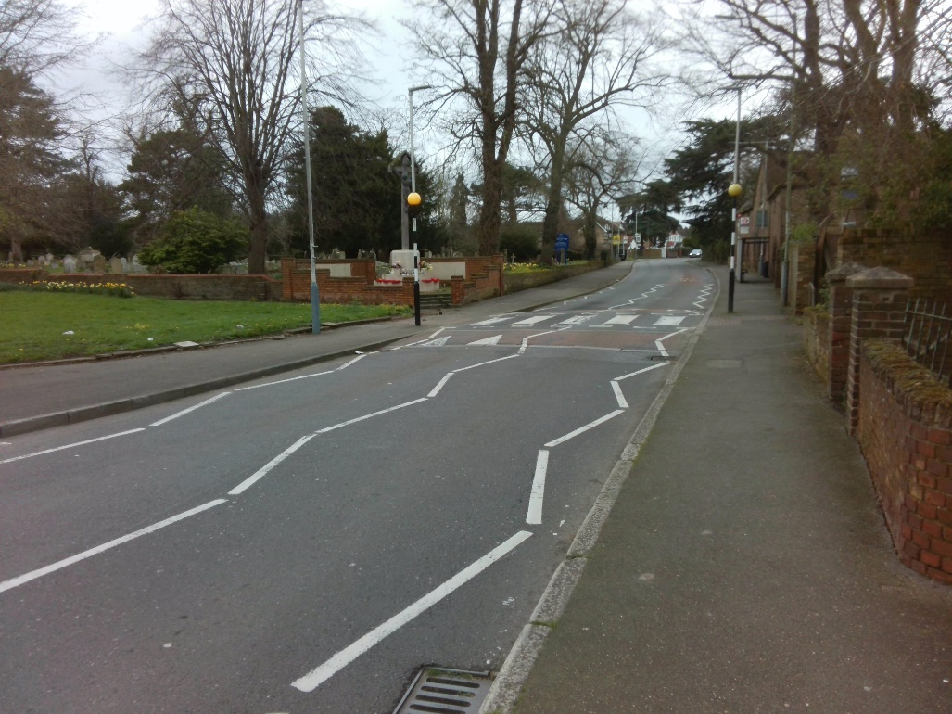 | 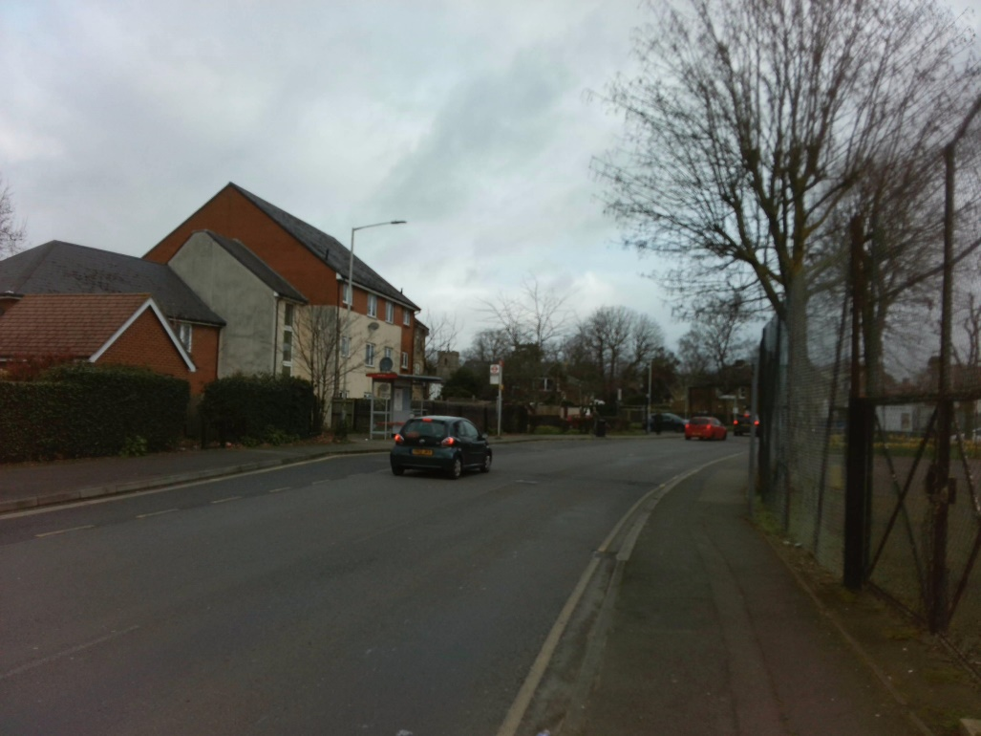
Freemans Lane | Hemmen Lane
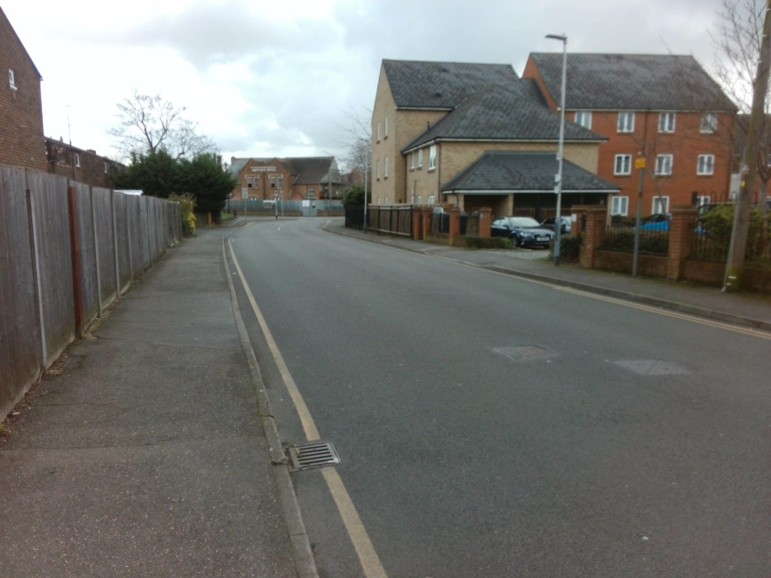 | 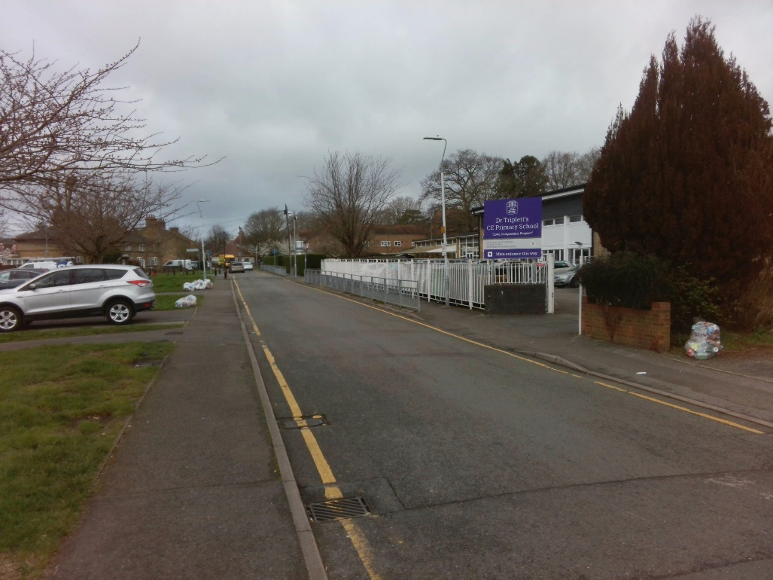
Kelf Grove | Kerstin Close
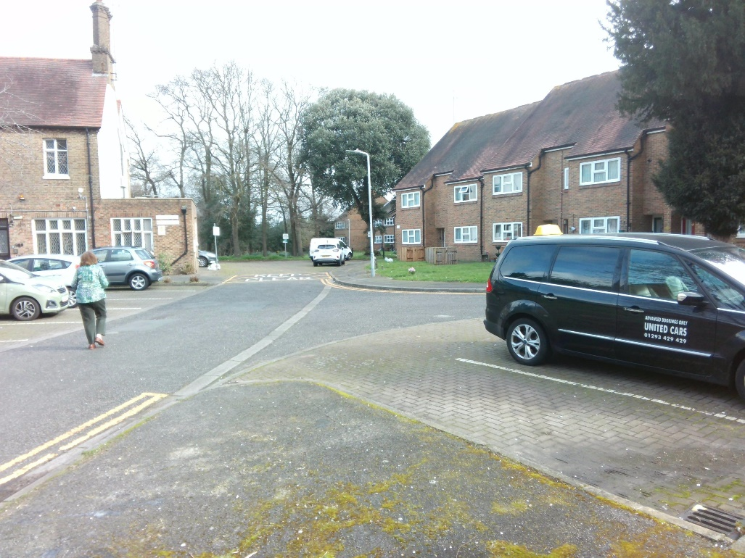 | 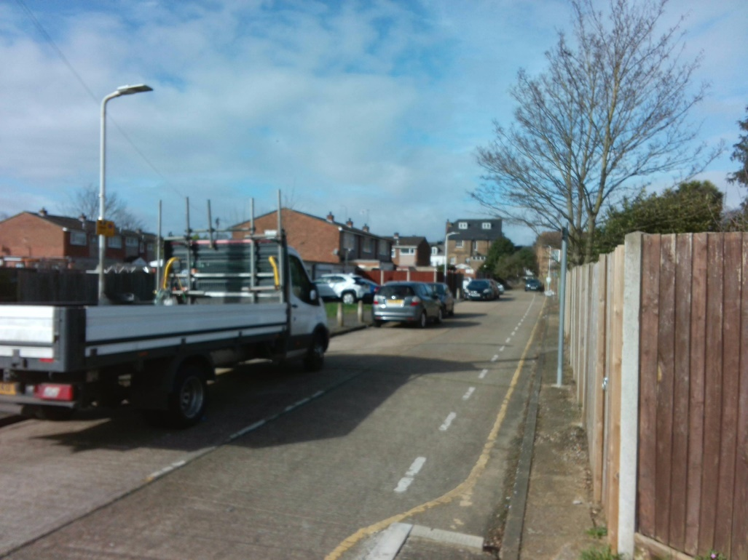
Lych Gate Walk | St Mary's Road (North)
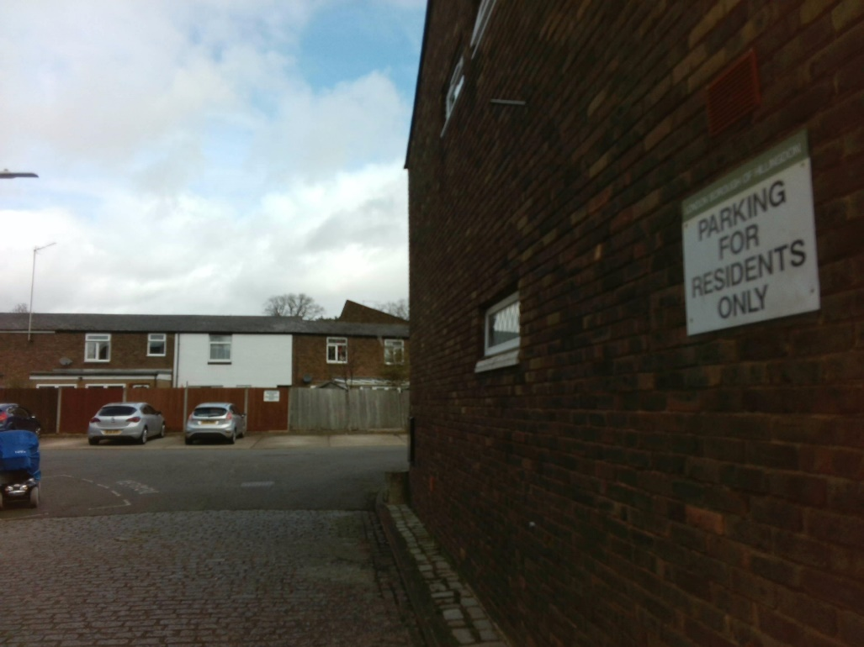 | 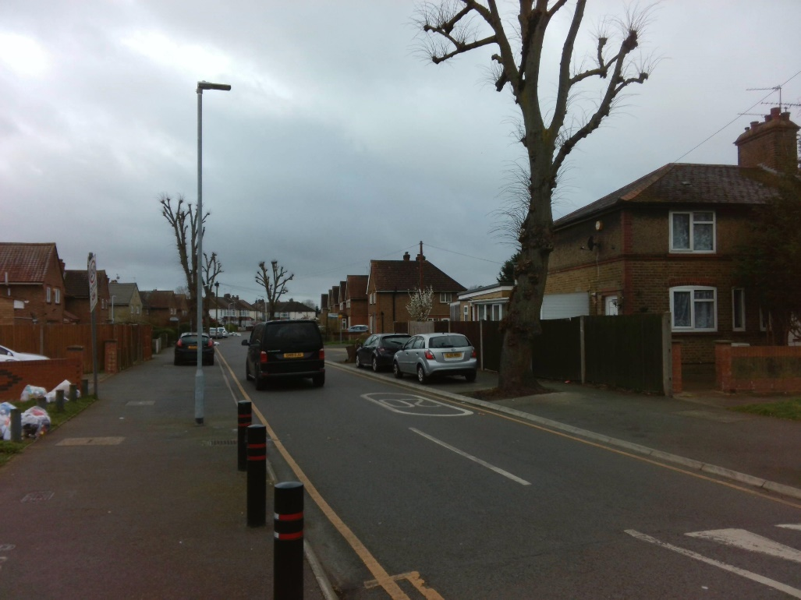
St Mary's Road (West)

PIVOT
Ensure that only one day is selected

Sum of CapacityAtTimeOfSurvey | Column Labels | Sum of Demand | Column Labels | Sum of Calculated Stress | Column Labels
Row Labels | 0030-0300 | Row Labels | 0030-0300 | Row Labels | 0030-0300
Bus Stop | 0 | Bus Stop | 0.0 | Bus Stop | 0%
Crossing - Zebra | 0 | Crossing - Zebra | 0.0 | Crossing - Zebra | 0%
Free Bays (No Limited Waiting) | 7 | Free Bays (No Limited Waiting) | 6.0 | Free Bays (No Limited Waiting) | 86%
No Waiting (Acceptable) (SYL) | 36 | No Waiting (Acceptable) (SYL) | 2.0 | No Waiting (Acceptable) (SYL) | 6%
No Waiting (Unacceptable) (SYL) | 0 | No Waiting (Unacceptable) (SYL) | 0.0 | No Waiting (Unacceptable) (SYL) | 0%
No Waiting At Any Time (DYL) | 0 | No Waiting At Any Time (DYL) | 0.0 | No Waiting At Any Time (DYL) | 0%
Unmarked Kerbline (Acceptable) | 32 | Unmarked Kerbline (Acceptable) | 19.5 | Unmarked Kerbline (Acceptable) | 61%
Unmarked Kerbline (Unacceptable) | 0 | Unmarked Kerbline (Unacceptable) | 0.0 | Unmarked Kerbline (Unacceptable) | 0%
Unmarked parking area | 33 | Unmarked parking area | 23.0 | Unmarked parking area | 70%
Zig Zag - School | 0 | Zig Zag - School | 0.0 | Zig Zag - School | 0%
Grand Total | 108 | Grand Total | 50.5 | Grand Total | 47%

